sheet1
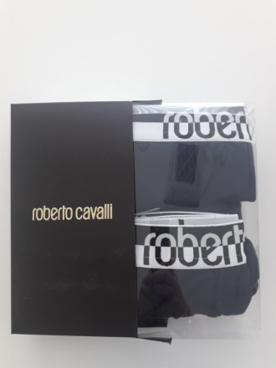
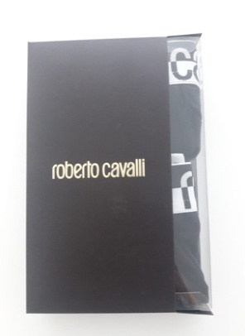
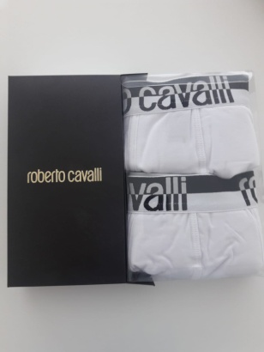

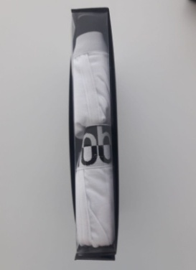
Art GSKD02 JTD016 | Article | Colour | S | M | L | XL | XXL | Lot | Available
 | BIPACK TRUNKS | Black | 4 | 12 | 18 | 12 | 4 | 50 | 10,000
 | BIPACK TRUNKS | White | 4 | 12 | 18 | 12 | 4 | 50 | 3,000
 | BIPACK TRUNKS | Navy | 4 | 12 | 18 | 12 | 4 | 50 | 4,000
 | BIPACK TRUNKS | Grey | 4 | 12 | 18 | 12 | 4 | 50 | 3,000

